Field Device Key
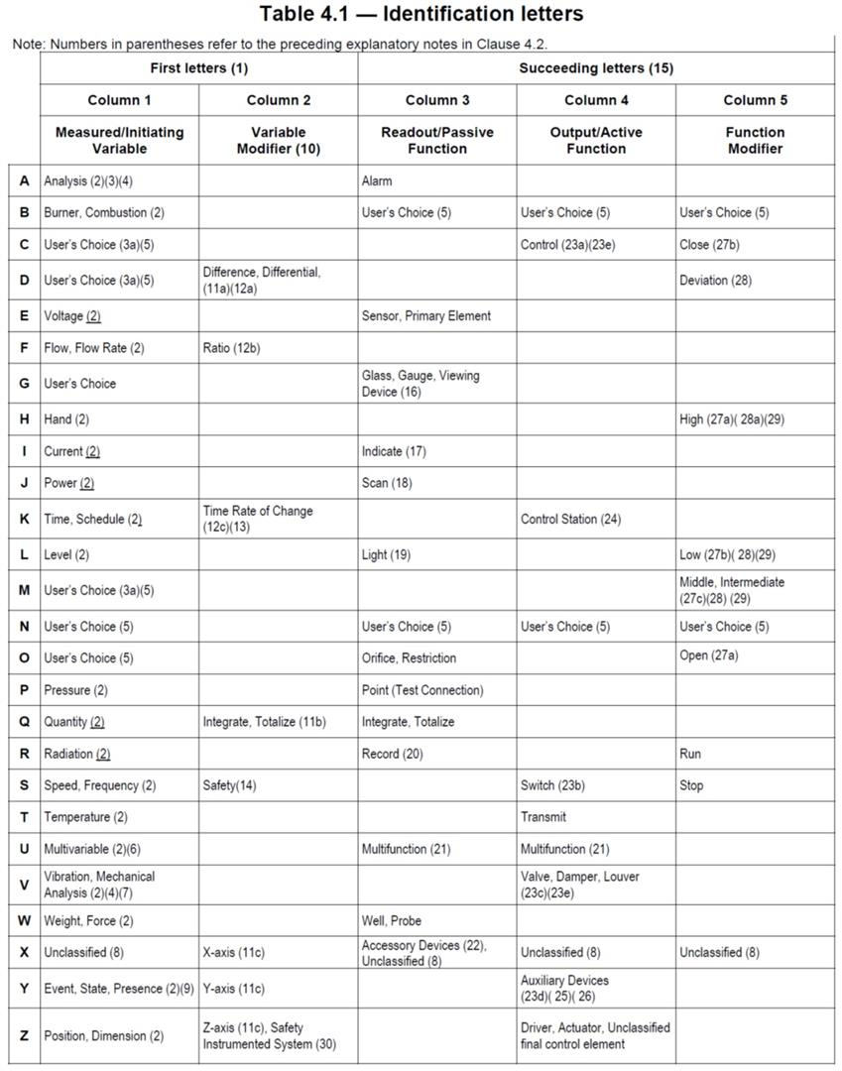
Field Device Key - AMP Part II Project at Nelson
While adherence to ISA Standards is desirable, legacy equipment identifiers must be maintained for continuity.

First Characters |  | Second Characters |  | Third Optional Characters |  | .
First 2 or 3 characters represent a type of device. |  | A series of numbers in series as shown below for each area. Care should be taken to use current numbers as assigned in the plant. In the case where there are no current numbers then the designer may assign a unique number. |  | The last part is optional and provides additional descriptors or a suffix for multiple IO points.
PH | PreHeater | 5XX | Fuel Handling | ZSC | Position Sense Closed
DM | Damper | 3XX | Stone Feeding | ZSO | Position Sense Opened
KN | Kiln | 4XX | Lime Handling (Front, Back and Dust Blending Systems) | A,B, C | Multiple IO on same device
FN | Fan | 7XX | Hydrator | _1, _2 | Multiple IO on same device
CL | Cooler | 13XX | Kiln 1 Preheater, Kiln, Baghouse, | SV | Solenoid valve - Ex: PH1305SV1
BC | Belt Conveyor | 16XX | Kiln 1 Solid Fuel Components
BE | Bucket Elevator | 23XX | Kiln 2 Preheater, Kiln, Baghouse,
SC | Screw Conveyor | 26XX | Kiln 2 Solid Fuel Components
PC | Apron Pan Conveyor
BM | Ball Mill
KD | Kiln Drive
FV | Flow Valve
TT | Temperature Transmitter
FT | Flow Transmitter
PT | Pressure Transmitter
DI | Digital Input | TAGS
ZSC | Position Sense Closed | XX-XXXX_IT | AMPS
ZSO | Position Sense Opened | XX-XXXX_SPT | SPEED
AT | Analyzer Transmitter | XX-XXXX_ZT | VFD HERTZ / DAMPER POSITION / TPH
SS | Selector Switch | XX-XXXX_LT | LEVEL
LS | Limit Switch | XX-XXXX_DPT | DIFERENTIAL PREASSURE
IT | Current Transmitter | XX-XXXX_PT | PREASSURE
ST | Speed Transmitter | XX-XXXX_TE_OUTLET | TEMPERATURE OUTLET
VT | Vibration Transmitter | XX-XXXX_TE_INLET | TEMPERATURE INLET
LT | Level Transmitter | XX-XXXX_TE | TEMPERATURE
LL | Level Low Indication (Digital) | XX-XXXX_TE_DISCHARGE | TEMPERATURE DISCHARGE
LH | Level High Indication (Digital) | XX-XXXX_TE_OUTBOARD | TEMPERATURE OUTBOARD
LLL | Level Low Low Indication (Digital) | XX-XXXX_TE_FEEDEND | TEMPERATURE FEED END
LHH | Level High High Indication (Digital | XX-XXXX On EtherNet | SPEED DRIVE
VS | Vibratory Screen | XX-XXXX_AUX | AUX / FEEDBACK
VF | Vibratory Feeder | XX-XXXX_COIL | RUN
DG | Diverter Gate | K2FZ01_TT
WT | Weight Transmitter
RA | Rotary Airlock
TE | Temperature Element (Thermocouple)
AS | Hydrator Reactor
HM | HammerMill Motor
PM | Pump Motor
RC | Roll Crusher
SL | SILO
MD | MODULE

ANSI/ISA S5.1

